APPLICATION QUESTIONNAIRE
APPLICATION QUESTIONNAIRE
Version 3.4
Contact Information |  |  |  |  |  |  |  |  |  |  |  |  |  |  |  |  |  |  |  |  |  |  |  |  |  | Diagram 1
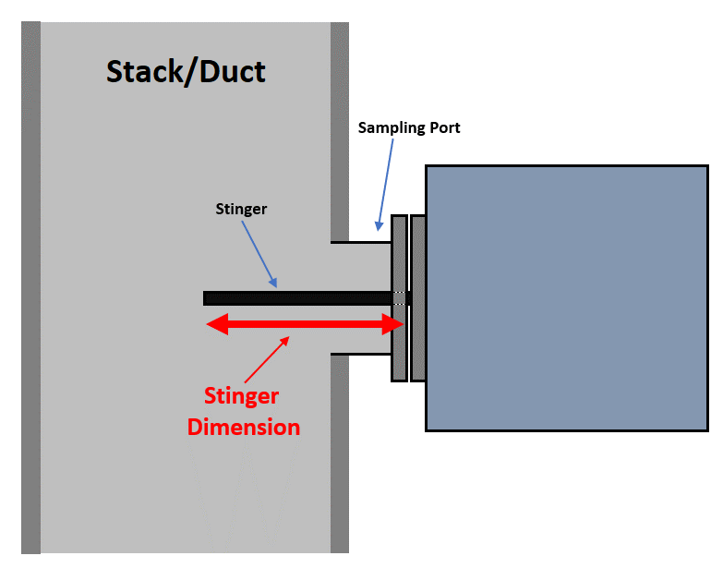
 | Name |  |  |  |  |  |  |  |  |  |  | Title
 | Company Name |  |  |  |  |  |  |  |  |  | Company Category
 | Office Phone |  |  |  |  |  |  |  |  |  | Company Address
 | Mobile Phone |  |  |  |  |  |  |  |  |  |  | Email

Project Information

 | Project Name |  |  |  |  |  |  |  |  |  |  | Project Status
 | End-User Name |  |  |  |  |  |  |  |  |  |  | Purpose
 | Project Country |  |  |  |  |  |  |  |  |  |  | Date Required
 | Delivery Address |  |  |  |  |  |  |  |  |  |  | Proposal Type

Application/General Information

 | Industry/Process |  |  |  |  |  |  | Stinger Length |  |  |  |  |  |  |  | Voltage |  |  |  | 115V |  |  |  | 230V
 | Fuel Type |  |  |  |  |  |  | Sample Line Length |  |  |  |  |  |  |  | Communication |  |  |  | Modbus |  |  |  | 4-20mA
 | Sample Type |  |  |  |  |  |  | Path Length |  |  |  |  |  |  |  |  |  |  |  |  |  |  |  |  |  | Diagram 2
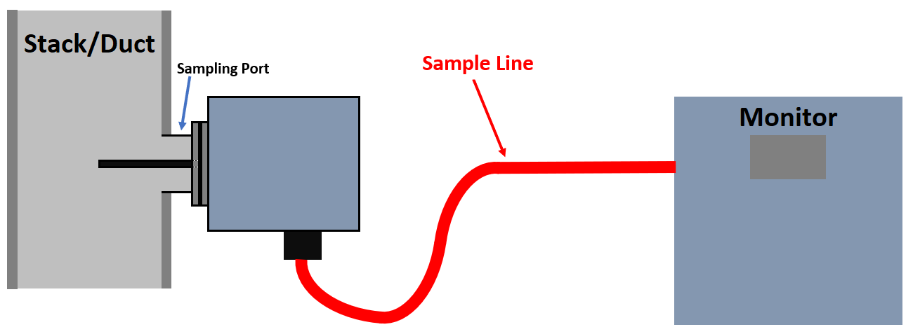
 | Sampling Port Location |  |  |  |  |  |  |  |  |  |  | Monitor Location

 |  | Stack |  |  |  |  |  |  |  |  |  |  | Mounted near sampling port
 |  | Duct |  |  |  |  |  |  |  |  |  |  | In CEM Shelter
 |  | Other: |  |  |  |  |  |  |  |  |  |  | Other:
 | Weather Protection |  |  |  |  |  |  |  |  |  |  | Weather Protection
 | Ambient Temp range |  |  |  |  |  | to | degrees |  |  |  | Ambient Temp range |  |  |  |  |  |  | to |  |  | degrees
Hazardous area classification |  |  |  |  |  |  |  |  |  |  | Hazardous area classification

Sample Gas Information

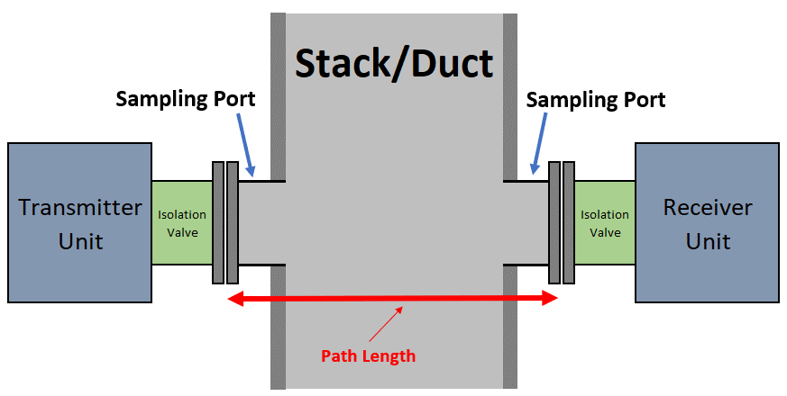
 |  |  | General Parameters |  |  |  |  |  |  | Sample Matrix |  |  |  |  |  |  |  | Sample Matrix (continued)
 |  |  | Min | Normal |  | Max | Units |  |  | Min | Normal |  |  | Max | Units |  |  | Min |  | Normal |  |  | Max |  | Units | Diagram 3
 | Temp |  |  |  |  |  |  |  | H20 |  |  |  |  |  |  |  | Gas5
 | Pressure |  |  |  |  |  |  |  | Gas2 |  |  |  |  |  |  |  | Gas6
 | Dust |  |  |  |  |  |  |  | Gas3 |  |  |  |  |  |  |  | Gas7
 | Velocity |  |  |  |  |  |  |  | Gas4 |  |  |  |  |  |  |  | Gas8

 | Is the sample gas combustible/explosive?

Required Measurements

 |  |  |  | Range* |  |  | Units |  |  |  |  | Range* |  |  |  | Units |  | Available Measurements
 | Measurement 1 |  |  | 0 | to |  |  |  | Measurement 5 |  |  | 0 |  | to |  |  |  | Flow | O2 |  | CO |  | NO | NH3
 | Measurement 2 |  |  | 0 | to |  |  |  | Measurement 6 |  |  | 0 |  | to |  |  |  | Dust | H2O |  | CO2 |  | NO2 | HCl
 | Measurement 3 |  |  | 0 | to |  |  |  | Measurement 7 |  |  | 0 |  | to |  |  |  | Hg | SO2 |  | CH4 |  | NOx | H2S
 | Measurement 4 |  |  | 0 | to |  |  |  | Measurement 8 |  |  | 0 |  | to |  |  |  | HF | Temp |  | Ethylene oxide
 |  |  |  |  |  |  |  |  |  |  |  |  |  |  |  |  |  | Siloxanes |  |  | Formaldehyde
 | *Instrument accuracy is generally within 2% of upper range |  |  |  |  |  |  |  |  |  |  |  |  |  |  |  |  | Others Available Upon Request

Notes

